Report
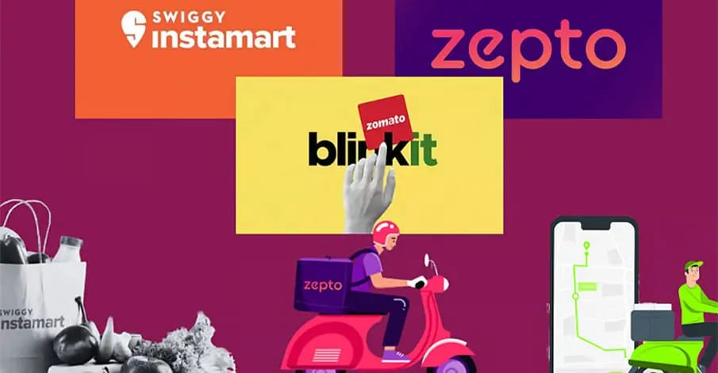
Report

 | Total
No | 2.99
Yes | 3.02
 | Total
Ahmedabad | 35
Bangalore | 35
Chennai | 34
Delhi | 35
Hyderabad | 36
Jaipur | 35
Kolkata | 35
Lucknow | 35
Mumbai | 35
Pune | 34
 | Total
Blinkit | 2.99
JioMart | 2.99
Swiggy Instamart | 3.02
Zepto | 3.01

 | Total
Electronics | 1008
Essentials | 1001
Food | 1003
Grocery | 995
Pharmacy | 993
 | Total
Negative | 1727
Neutral | 1625
Positive | 1648

agents perfomance
Row Labels | Average of Rating
Blinkit | 2.99
JioMart | 2.99
Swiggy Instamart | 3.02
Zepto | 3.01

Delivery time by location
Row Labels | Average of Delivery Time (min)
Ahmedabad | 35
Bangalore | 35
Chennai | 34
Delhi | 35
Hyderabad | 36
Jaipur | 35
Kolkata | 35
Lucknow | 35
Mumbai | 35
Pune | 34

Discount vs Rating
Row Labels | Average of Rating
No | 2.99
Yes | 3.02

Order type accuracy
Row Labels | Count of Order Accuracy
Electronics | 1008
Essentials | 1001
Food | 1003
Grocery | 995
Pharmacy | 993

Customer feedback Type
Row Labels | Count of Customer Feedback Type
Negative | 1727
Neutral | 1625
Positive | 1648
Grand Total | 5000

